NMC norm
 | CLINICAL POSTINGS
 | Subjects | Period of training in weeks

 |  | II MBBS | III MBBS Part I | III MBBS Part II | Total
 | weeks
1 | Electives - - |  | 4 |  | 4

2 | General Medicine | 9 | 4 | 14 | 27
3 | General Surgery | 7 | 4 | 10 | 21
4 | Obstetrics &Gynaecology | 7 | 4 | 10 | 21
5 | Pediatrics | 4 | 4 | 5 | 13
6 | Community Medicine | 4 | 4 | 0 | 8
7 | Orthopedics - including Trauma | 2 | 2 | 4 | 8
8 | Otorhinolaryngology | 0 | 3 | 4 | 7
9 | Ophthalmology | 0 | 3 | 4 | 7
X
10 | Psychiatry | 0 | 2 | 4 | 6
11 | Radiodiagnosis | 0 | 0 | 2 | 2
12 | Dermatology, Venereology & Leprosy 2 2 2 6 | 2 | 2 | 2 | 6
13 | Dentistry | 1 | 0 | 0 | 1
14 | Anaesthesia |  | 0 | 3 | 3
 |  | 36 | 36 | 62 | 134

 | At least 3 hours of clinical instruction each week must be allotted to training in clinical and procedural skill |  |  |  |  |  | Lectures 75 = ** 25 hours each for Medicine, Surgery and Gynecology & Obstetrics.
 | laboratories. Hours may be distributed weekly or as a block in each posting based on institutional logistics.

 | ***The clinical postings in the second professional shall be 15 hours per week (3 hrs per day from Monday to
 | Friday).
 | * In four of the eight weeks of electives, regular clinical postings shall be accommodated.
 | Clinical postings may be adjusted within the time framework.
 | 1 This posting includes Laboratory Medicine (Para-clinical) & Infectious Diseases (Phase III Part
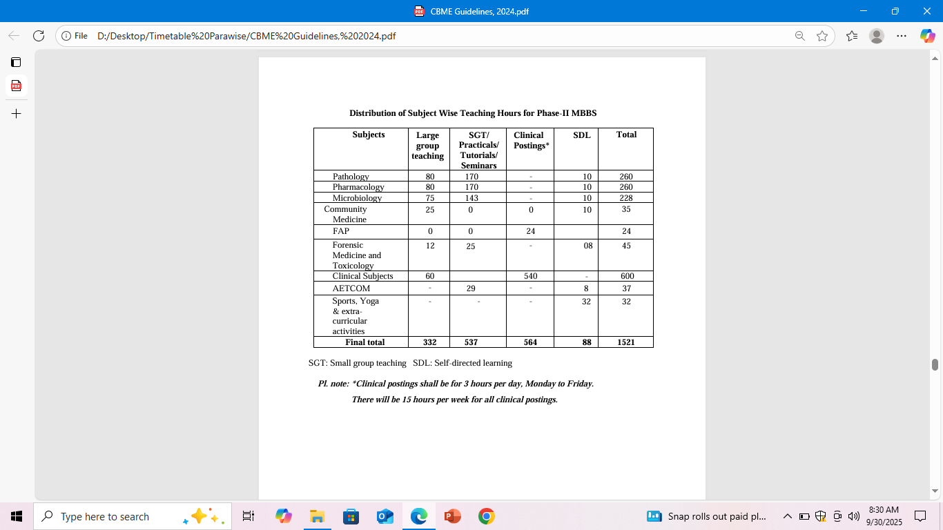

 | Table 5: Second Professional teaching hours
 | Subjects | Lectures | Small group learning | Clinical | Self - | Total
 |  |  | (Tutorials / Seminars) | Postings | Directed | (hours)
 |  | (hours) | /Integrated learning | (hours) * | Learning
 |  |  | (hours) |  | (hours)
1 | Pathology | 80 | 170 |  | 10 | 260
2 | Pharmacology | 80 | 170 |  | 10 | 260
3 | Microbiology | 75 | 143 |  | 10 | 228
4 | Community Medicine | 25 | 0 |  | 10 | 35
 | FAP |  |  | 24 |  | 24
5 | Forensic Medicine and Toxicology | 15 | 25 |  | 8 | 48
6 | Clinical Subjects | 60 |  | 540 |  | 600
7 | Attitude, Ethics & Communication | 0 | 29 |  | 8 | 37
 | Module (AETCOM)
8 | Sports and extracurricular activities |  |  |  | 32 | 32
 | Total - - - - 1440 | 332 | 537 | 564 | 88 | 1521
 |  | 332 | 537 | 564 | 88

 | AETCOM
 | Module 2.1: The foundations of communication - 2 | 5 | Pharma
 | Module 2.2 The foundations of bioethics | 2 | Micro
 | Module 2.3: Health care as a right | 2 | Micro
 | Module 2.4: Working in a health care team | 6 | Patho
 | Module 2.5: Bioethics continued – Case studies on patient autonomy and decision making | 6 | Micro
 | Module 2.6: Bioethics continued: Case studies on autonomy and decision making | 5 | Patho
 | Module 2.7: Bioethics continued: Case studies on autonomy and decision making | 5 | Patho
 | Module 2.8: What does it mean to be family member of a sick patient? | 6 | Pharma

 | old 2019
 | Table 5: Second Professional teaching hours
 | Subjects | Lectures | Small group learning | Clinical | Self - | Total | Table 5: Second Professional teaching hours
 |  |  | (Tutorials / Seminars) | Postings | Directed | (hours) | Subjects | Lectures | Small group learning | Clinical | Self - | Total
 |  | (hours) | /Integrated learning | (hours) * | Learning |  |  |  | (Tutorials / Seminars) | Postings | Directed | (hours)
 |  |  | (hours) |  | (hours) |  |  | (hours) | /Integrated learning | (hours) * | Learning
1 | Pathology | 80 | 138 |  | 12 | 230 |  |  | (hours) |  | (hours)
2 | Pharmacology | 80 | 138 |  | 12 | 230 | Pathology | 80 | 165 |  | 10 | 255
3 | Microbiology | 70 | 110 |  | 10 | 190 | Pharmacology | 80 | 165 |  | 10 | 255
4 | Community Medicine | 20 | 30 |  | 10 | 60 | Microbiology | 70 | 135 |  | 10 | 215
5 | Forensic Medicine and Toxicology | 15 | 30 |  | 5 | 50 | Community Medicine | 15 | 0 |  | 10 | 25
6 | Clinical Subjects | 75 |  | 540 |  | 615 | FAP |  |  | 30 |  | 30
7 | Attitude, Ethics & Communication | 29 |  |  | 8 | 37 | Forensic Medicine and Toxicology | 12 | 22 |  | 8 | 42
 | Module (AETCOM) |  |  |  |  |  | Clinical Subjects | 59 |  | 540 |  | 599
8 | Sports and extracurricular activities |  |  |  | 28 | 28 | Attitude, Ethics & Communication | 0 | 29 |  | 8 | 37
 |  |  |  |  |  |  | Module (AETCOM)
 | Total | 369 | 446 | 540 | 85 | 1440 | Sports and extracurricular activities |  |  | 15 | 20 | 35
 |  |  |  |  |  |  | Pandemic Module |  |  |  | 28 | 28
 |  |  |  |  |  |  | Total - - - - 1440 | 316 | 516 | 585 | 104 | 1521
 |  |  |  |  |  |  |  | 316 | 516 | 585 | 104

